TRIP TICKET
Republic of the Philippines
PALAWAN STATE UNIVERSITY
GENERAL SERVICES OFFICE
Puerto Princesa City

DRIVER'S TRIP TICKET

Travel Date: |  |  |  |  |  |  | Contact Number
TRANS. #:
Name of Driver: |  |  |  |  | Vehicle to be used:
Name/s of authorized passenger/s:

Purpose:

 |  |  |  |  | NELLY I. MENDOZA, DBA
 |  |  |  |  | Chief Administrative Officer

Time of Departure/ Date | Speedometer Reading at the start | Place of Origin | Time of arrival | Speedometer Reading at the End | Requesting Office | Place/s Destination | Approx. Distance (km) | Signature of Driver

Total No. of Hours: ________ |  |  | Total No. of Trip: ________ |  |  | Total Distance of Travel :

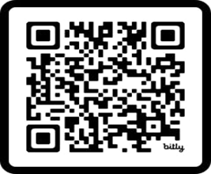
Gasoline/Diesel issued, purchased and use: |  |  |  |  |  | HELP US SERVE YOU BETTER!
a. Balance in Tank |  |  |  | liters
b. Issued by Office from the trip |  |  |  | liters
c. Add: Purchased during the trip |  |  |  | liters
d. Total |  |  |  | liters
e. Deduct: Used during the trip |  |  |  | liters
f. Balance in Tank at the end of the Trip |  |  |  | liters

Remarks:
 |  |  |  |  |  | PLEASE SCAN QR CODE

I hereby certify to the correctness of the above statement of record travel |  |  |  | I hereby certify that this vehicle is on official business as stated above:

Driver |  |  |  | Name of Passenger/s

Date: |  |  |  | Date:

